CII NETWORK DIAGRAM
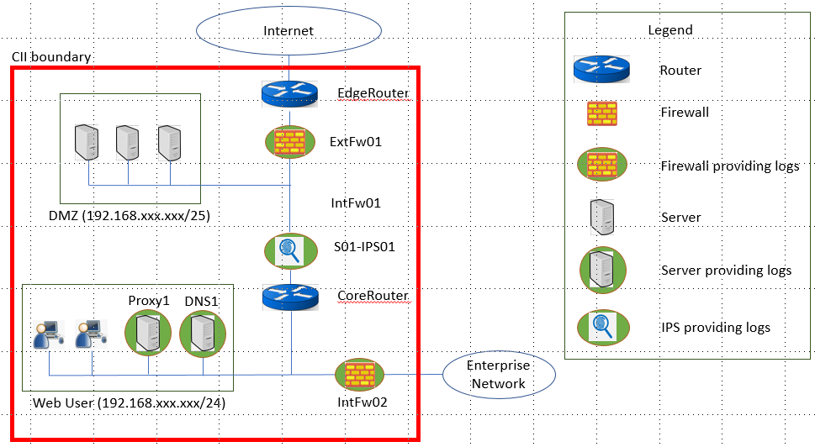
CII NETWORK DIAGRAM
Instruction: | Embed and/or include (i.e. paste) the logical network diagram into this worksheet with the following details captured: - All CII components, including its Hostname, IP address and communications to external system(s) must be clearly indicated in the logical network diagram, with a legend to explain (See the example of logical network diagram below). - CII boundary to be clearly demarcated (See red box in the example below) on the logical network diagram. - CII asset(s) listed in the asset inventory affecting the cybersecurity of the CII must be included. For example, Network Perimeter Firewalls, Network IPS/IDS, DNS Servers and Web Proxy Servers.

EXAMPLE OF A LOGICAL NETWORK DIAGRAM

